DS Overview cheatsheet
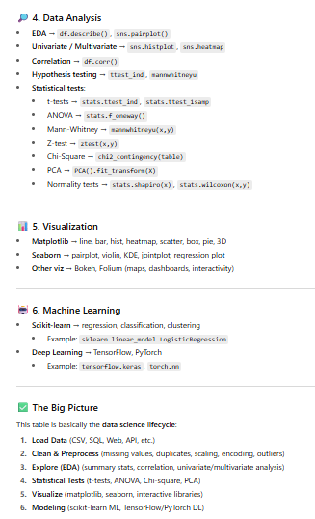

Data Cleaning + EDA Dictionary
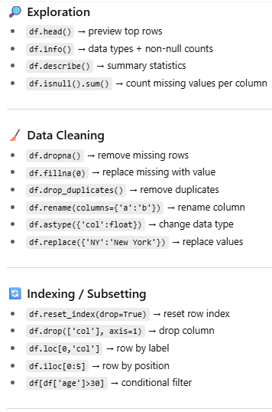
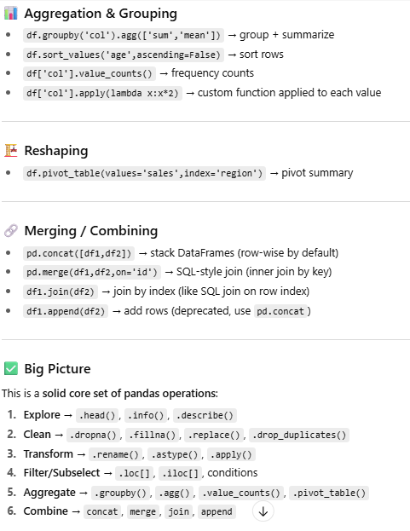
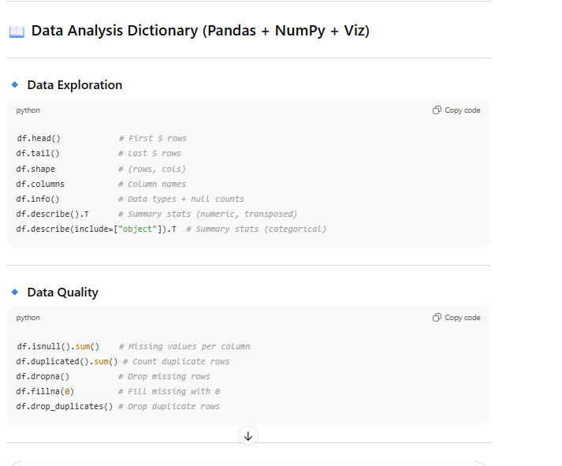
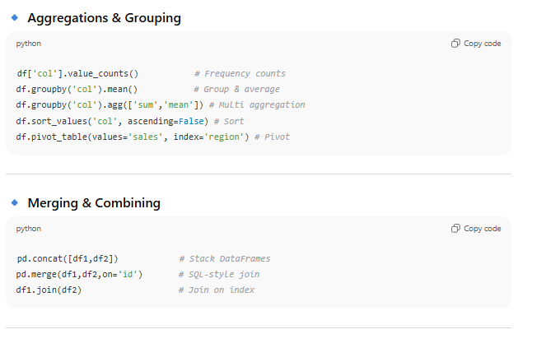

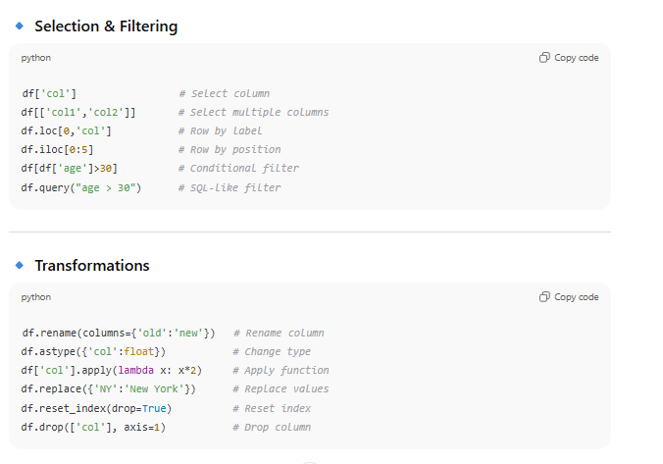

numpy cheatsheet
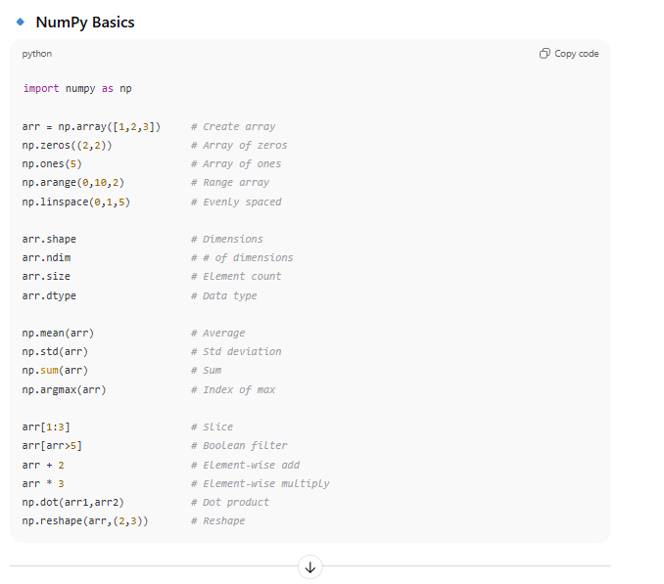
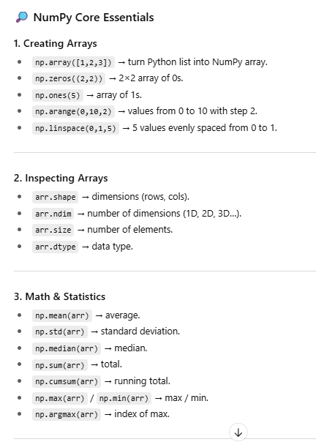
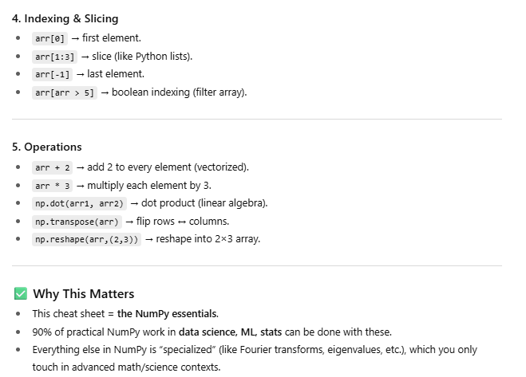
Function | Type | Category | Description | Example
np.array() | Function | Arrays | Create array | np.array([1,2,3])
np.zeros() | Function | Arrays | Create array of zeros | np.zeros((2,2))
np.ones() | Function | Arrays | Create array of ones | np.ones(5)
np.arange() | Function | Arrays | Create evenly spaced values within range | np.arange(0,10,2)
np.linspace() | Function | Arrays | Create evenly spaced values over interval | np.linspace(0,1,5)
.shape | Attribute | Inspect | Get array dimensions | arr.shape
.ndim | Attribute | Inspect | Get number of dimensions | arr.ndim
.size | Attribute | Inspect | Get number of elements | arr.size
.dtype | Attribute | Inspect | Get data type | arr.dtype
np.mean() | Function | Math | Mean of array elements | np.mean(arr)
np.std() | Function | Math | Standard deviation of array elements | np.std(arr)
np.median() | Function | Math | Median of array elements | np.median(arr)
np.sum() | Function | Math | Sum of array elements | np.sum(arr)
np.cumsum() | Function | Math | Cumulative sum | np.cumsum(arr)
np.max() | Function | Math | Maximum element | np.max(arr)
np.min() | Function | Math | Minimum element | np.min(arr)
np.argmax() | Function | Math | Index of max element | np.argmax(arr)
[] | Indexing | Indexing & Slicing | Index single element | arr[0]
[start:end] | Slicing | Indexing & Slicing | Slice elements | arr[1:3]
[-1] | Indexing | Indexing & Slicing | Last element | arr[-1]
arr[arr > 5] | Boolean Indexing | Indexing & Slicing | Select elements by condition | arr[arr > 5]
+ | Operator | Operations | Element-wise addition | arr + 2
* | Operator | Operations | Element-wise multiplication | arr * 3
np.dot() | Function | Operations | Dot product | np.dot(arr1, arr2)
np.transpose() | Function | Operations | Transpose array | np.transpose(arr)
np.reshape() | Function | Operations | Reshape array | np.reshape(arr, (2,3))

matplotlib cheatsheet
Function | Type | Category | Description | Example | 🧩 How Pandas and Matplotlib relate | Seaborn
np.linspace() | Function | Prepare Data | Create evenly spaced numbers | x = np.linspace(0, 2*np.pi, 100) | Pandas = data analysis layer | Built on top of matplotlib.
np.sin() | Function | Prepare Data | Sine of values | y = np.sin(x) |  | Adds prettier defaults + statistical plots:
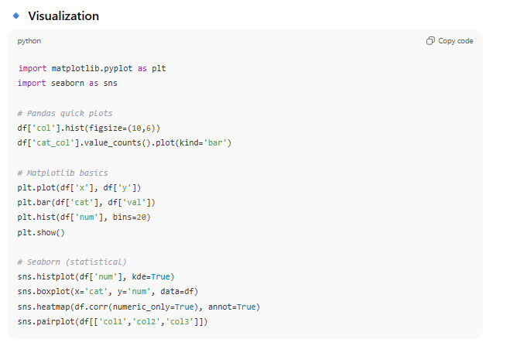
np.random.rand() | Function | Prepare Data | Random values | data = np.random.rand(10, 100) | Load data (read_csv, read_excel)
np.load() | Function | Prepare Data | Load sample dataset | data = np.load('file.npy') | Explore (.head(), .info(), .describe()) | Correlation heatmaps
plt.figure() | Function | Create Plot | Create new figure | fig = plt.figure() | Clean/reshape (fillna, groupby, pivot) | Boxplots / violin plots
plt.subplots() | Function | Create Plot | Create figure and subplots | fig, ax = plt.subplots() | Summarize insights (value_counts, mean, agg) | Regression lines
fig.add_subplot() | Method | Create Plot | Add subplot to figure | ax = fig.add_subplot(111) | Matplotlib = visualization layer
ax.plot() | Method | Plotting Routines | Line plot | ax.plot(x, y) |  | Saves you time if you want presentation-ready visuals without writing tons of matplotlib code.
ax.scatter() | Method | Plotting Routines | Scatter plot | ax.scatter(x, y) | Control the canvas (figsize, title, xlabel, ylabel)
ax.bar() | Method | Plotting Routines | Bar plot | ax.bar(x, y) | Draw primitives (line, bar, scatter, histogram, etc.) | 👉 Probability of use:
ax.imshow() | Method | Plotting Routines | Display image | ax.imshow(img) | Customize colors, fonts, ticks | Exploration / everyday work → pandas + matplotlib are enough.
ax.hist() | Method | Plotting Routines | Histogram | ax.hist(data) |  | Stakeholder reports / polished dashboards → seaborn often comes in.
ax.contour() | Method | Plotting Routines | Contour plot | ax.contour(Z) | 🎯 Where they “share a skeleton” | 🔎 What makes Seaborn “statistical”
ax.pie() | Method | Plotting Routines | Pie chart | ax.pie(Z) | When you call: | Unlike plain matplotlib (which just draws shapes), seaborn knows about data distributions and relationships.
ax.boxplot() | Method | Plotting Routines | Box plot | ax.boxplot(data) | df["column"].plot(kind="bar") | Here’s what that means:
ax.errorbar() | Method | Plotting Routines | Error bar plot | ax.errorbar(X, Y, Yerr) | That’s pandas calling matplotlib behind the scenes. | 1. Distributions
ax.set_title() | Method | Customize Plot | Set plot title | ax.set_title('Title') | So: | Easy histograms, KDE (smoothed density), violin plots, boxplots:
ax.set_xlabel() | Method | Customize Plot | Set x-axis label | ax.set_xlabel('Time') | df.hist(figsize=(12,8)) = a pandas shortcut that actually uses matplotlib’s histogram. | import seaborn as sns
ax.set_ylabel() | Method | Customize Plot | Set y-axis label | ax.set_ylabel('Value') | df.plot(kind="bar") = a pandas wrapper that actually calls plt.bar() under the hood.
ax.set_xlim() | Method | Customize Plot | Set x-axis limits | ax.set_xlim(0, 10) | 👉 That’s why the skeleton feels the same: | sns.histplot(df["Sales"], kde=True) # histogram + density
ax.set_ylim() | Method | Customize Plot | Set y-axis limits | ax.set_ylim(0, 5) | In pandas, you’re analyzing + plotting on top of your DataFrame. | sns.boxplot(x=df["Region"], y=df["Revenue"])
ax.legend() | Method | Customize Plot | Add legend | ax.legend(['line1', 'line2']) | In matplotlib, you’re manually defining the plot from scratch. | sns.violinplot(x=df["Supplier"], y=df["Lead_Time"])
ax.text() | Method | Customize Plot | Add text annotation | ax.text(1, 1, 'note')
ax.annotate() | Method | Customize Plot | Add arrow annotation | ax.annotate('data', xy=(2,1), xytext=(3,4)) | ✅ Example of Same Skeleton | These plots tell you about spread, outliers, medians — stats insights.
ax.set_xticks() | Method | Customize Plot | Set x-axis ticks | ax.set_xticks([0,1,2]) | With pandas:
ax.set_yticks() | Method | Customize Plot | Set y-axis ticks | ax.set_yticks([0,1,2]) | df["Sales"].hist(figsize=(10,6)) | 2. Relationships
plt.savefig() | Function | Save Plot | Save figure to file | plt.savefig('plot.png', dpi=300) | With matplotlib directly: | Scatter plots with regression lines:
plt.show() | Function | Show Plot | Display plot window | plt.show() | import matplotlib.pyplot as plt | sns.regplot(x="Price", y="Quantity", data=df)
plt.close() | Function | Close & Clear | Close plot window | plt.close() |  | Pairwise relationships (all variables vs all variables):
plt.clf() | Function | Close & Clear | Clear figure | plt.clf() | plt.figure(figsize=(10,6)) | sns.pairplot(df[["Price","Quantity","Revenue"]])
plt.cla() | Function | Close & Clear | Clear axes | plt.cla() | plt.hist(df["Sales"], bins=20)
 |  |  |  |  | plt.title("Sales Distribution") | Great for spotting correlations.
 |  |  |  |  | plt.show()
 |  |  |  |  |  | 3. Categorical Comparisons
 |  |  |  |  | Same output → one is just a shortcut. | Frequency counts as bars:

 |  |  |  |  | 🔑 The Difference | sns.countplot(x="Category", data=df)
 |  |  |  |  | Pandas EDA skeleton = about data prep + analysis + quick plots. | Side-by-side group comparisons:
 |  |  |  |  | Matplotlib skeleton = about plot building + customization. | sns.barplot(x="Region", y="Revenue", data=df, estimator="mean")
 |  |  |  |  | Most analysts use them together:
 |  |  |  |  | Do EDA in pandas. | These automatically calculate averages, confidence intervals, etc.
 |  |  |  |  | Then hand off to matplotlib/seaborn when you need more polished visuals.
 |  |  |  |  |  | 4. Correlation Heatmaps
 |  |  |  |  | ⚡ So to your point: | One of seaborn’s most common uses:
 |  |  |  |  | Yes — they share a skeleton because pandas plotting = matplotlib under the hood. | sns.heatmap(df.corr(numeric_only=True), annot=True, cmap="coolwarm")
 |  |  |  |  | But pandas is the analysis engine, matplotlib is the visual engine.
 |  |  |  |  |  | Super visual way to show statistical relationships across variables.

